Sheet1
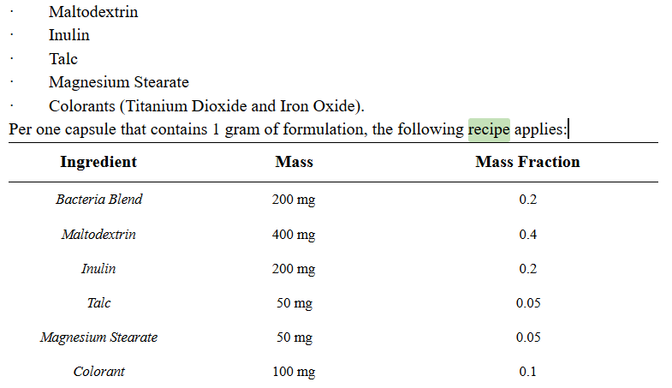
Max output (capsules/hr) | 40000
Efficiency | 0.5
Mass of Capsule, filled (g) | 2
Output (g/hr) | 40000
Output (kg/year) | 288000
Output (lbs/year) | 633600
Output (kg/month) | 24000
Output (lbs/mo) | 52800

